Over all graph
 | SaturationValue
-321% | 0
18% | 0
45% | 0
-89% | 0
22% | 0
9% | 0
20% | 0
10% | 0
11% | 0
-74% | 0
17% | 0
-17% | 0
-4% | 0
-15% | 0
16% | 0
9% | 0
-36% | 0
21% | 0
3% | 0
14% | 0
-115% | 0
35% | 0
42% | 0
19% | 0
13% | 0
22% | 0
18% | 0
96% | 0
26% | 0
43% | 0
20% | 0
-27% | 0
-23% | 0
-3% | 0
8% | 0
44% | 0
34% | 0
67% | 0
23% | 0
22% | 0
28% | 0
16% | 0
51% | 0
46% | 0
68% | 0
96% | 0
97% | 0
71% | 0
78% | 0
12% | 0
...
Accuracy
 | Accuracy
3.52287 | -321%
2.43891 | 18%
3.16155 | 45%
6.68442 | -89%
1.35495 | 22%
5.51013 | 9%
6.50376 | 20%
8.65368 | 10%
6.86508 | 11%
5.78112 | -74%
8.82371 | 17%
7.76838 | -17%
9.07447 | -4%
9.40121 | -15%
8.12897 | 16%
10.99281 | 9%
11.13488 | -36%
10.409 | 21%
8.73899 | 3%
8.90786 | 14%
12.98453 | -115%
10.33419 | 35%
10.63094 | 42%
7.67805 | 19%
12.41605 | 13%
13.70944 | 22%
16.05424 | 18%
17.96377 | 96%
17.0366 | 26%
16.60186 | 43%
15.32901 | 20%
14.45679 | -27%
13.82687 | -23%
14.3442 | -3%
21.13208 | 8%
21.79927 | 44%
20.63489 | 34%
21.6163 | 67%
19.76135 | 23%
20.75082 | 22%
21.13208 | 28%
20.71226 | 16%
21.09431 | 51%
20.28261 | 46%
24.51301 | 68%
24.48129 | 96%
28.14097 | 97%
29.46287 | 71%
33.41413 | 78%
31.3704 | 12%
...

Color Region
 | Region
-321% | 3
18% | 5
45% | 4
-89% | 4
22% | 4
9% | 5
20% | 4
10% | 4
11% | 5
-74% | 4
17% | 5
-17% | 3
-4% | 3
-15% | 4
16% | 6
9% | 3
-36% | 4
21% | 4
3% | 4
14% | 4
-115% | 5
35% | 4
42% | 4
19% | 4
13% | 1
22% | 4
18% | 4
96% | 4
26% | 4
43% | 4
20% | 4
-27% | 3
-23% | 3
-3% | 3
8% | 4
44% | 4
34% | 4
67% | 4
23% | 3
22% | 3
28% | 4
16% | 3
51% | 3
46% | 3
68% | 4
96% | 4
97% | 4
71% | 4
78% | 4
12% | 3
...

 | SaturationValue
-350% | 0
38% | 0
9% | 0
-61% | 0
-14% | 0
51% | 0
42% | 0
42% | 0
39% | 0
-46% | 0
51% | 0
22% | 0
23% | 0
49% | 0
27% | 0
-22% | 0
-69% | 0
36% | 0
-14% | 0
26% | 0
-86% | 0
9% | 0
3% | 0
0% | 0
45% | 0
29% | 0
-18% | 0
55% | 0
29% | 0
46% | 0
29% | 0
-60% | 0
-42% | 0
33% | 0
-7% | 0
73% | 0
53% | 0
66% | 0
-16% | 0
30% | 0
37% | 0
4% | 0
8% | 0
23% | 0
58% | 0
60% | 0
76% | 0
68% | 0
61% | 0
6% | 0
...

saturation regions
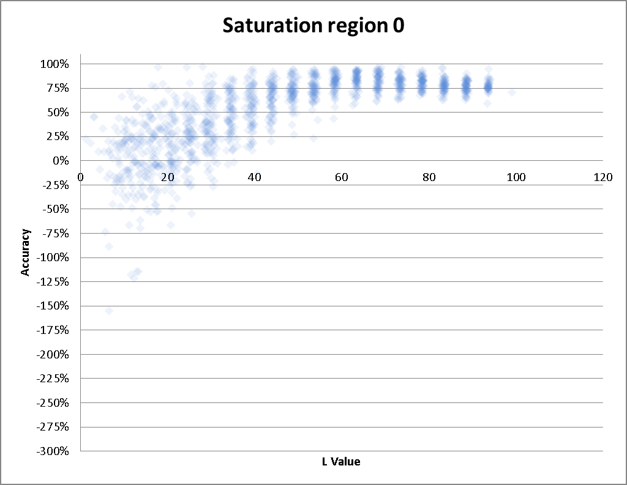
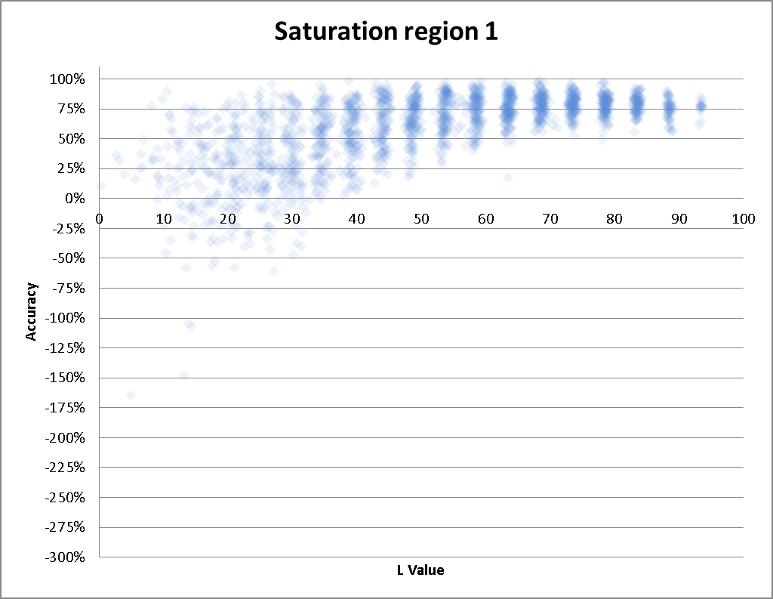

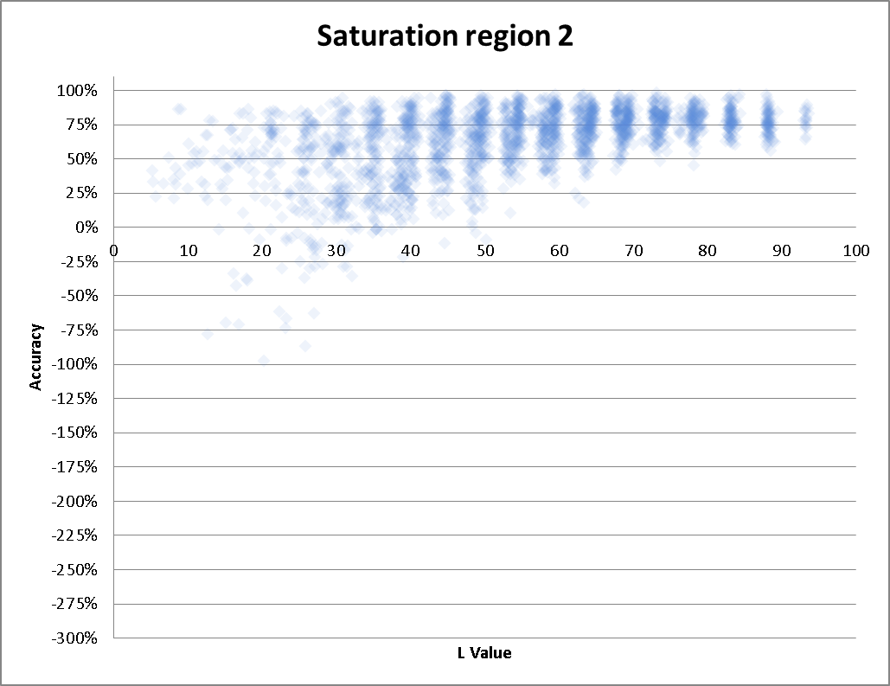
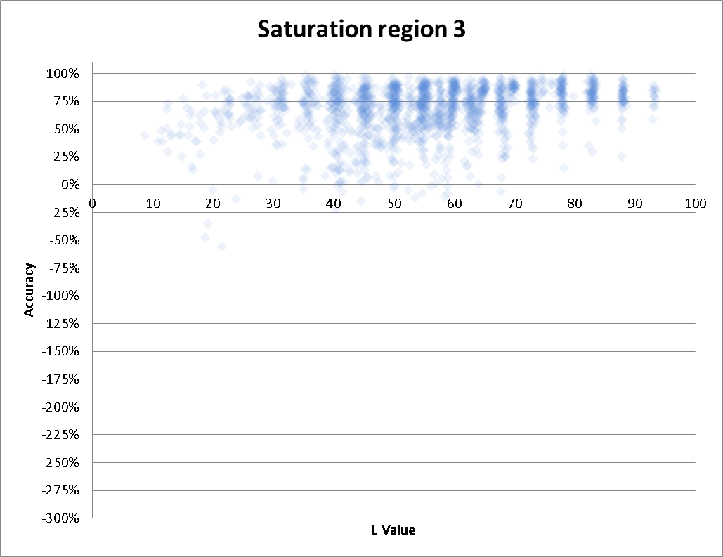

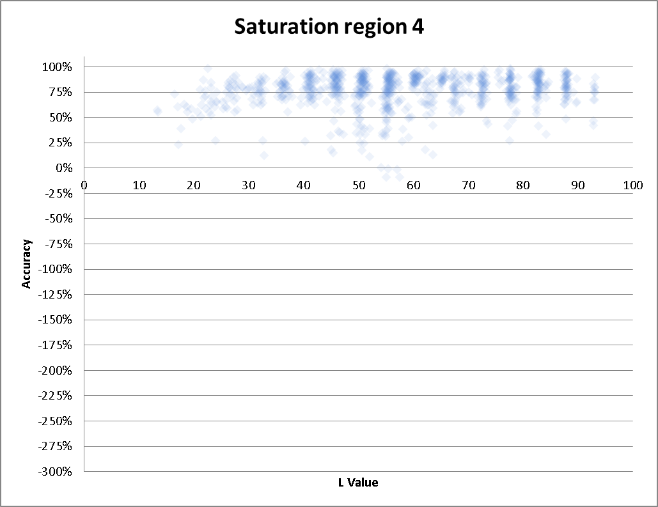
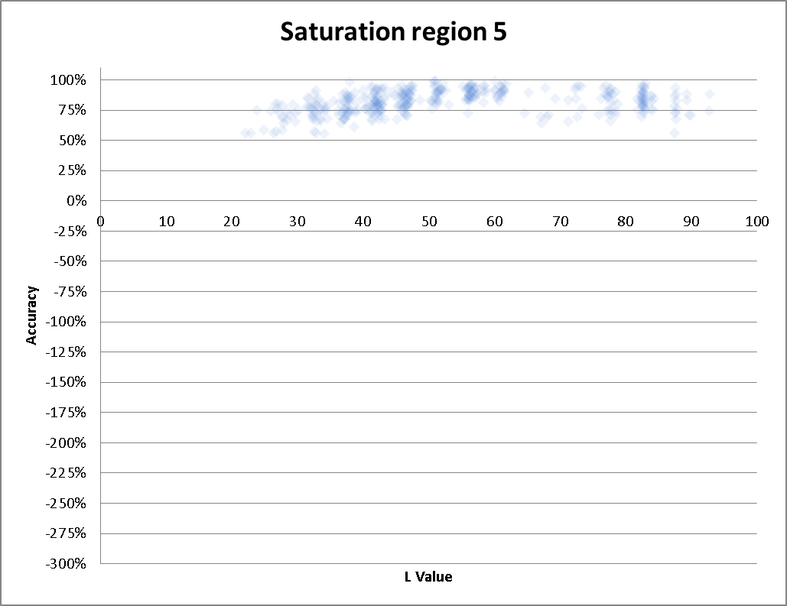

color region
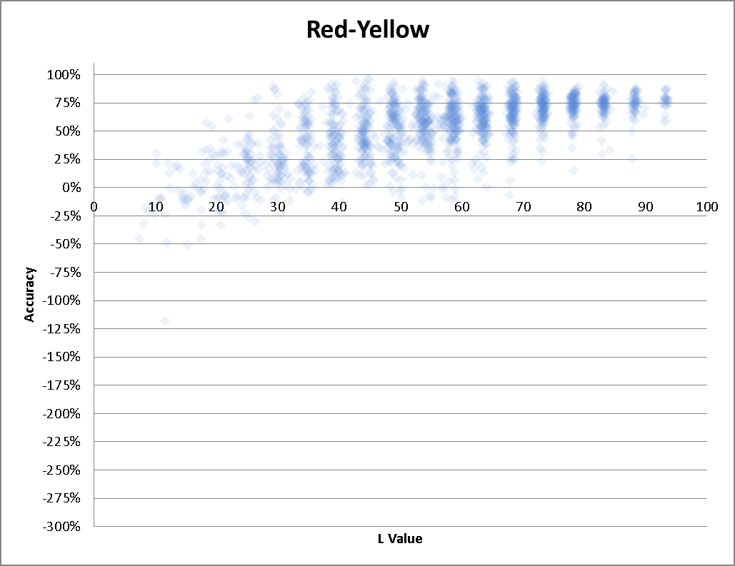
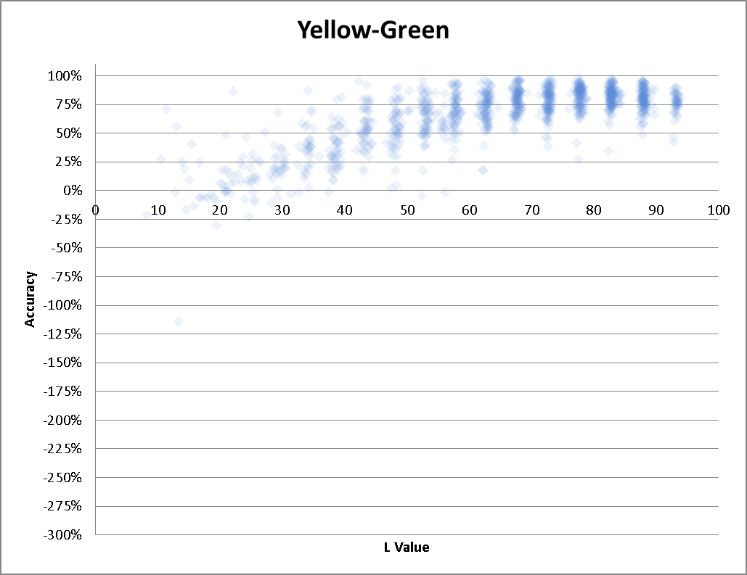

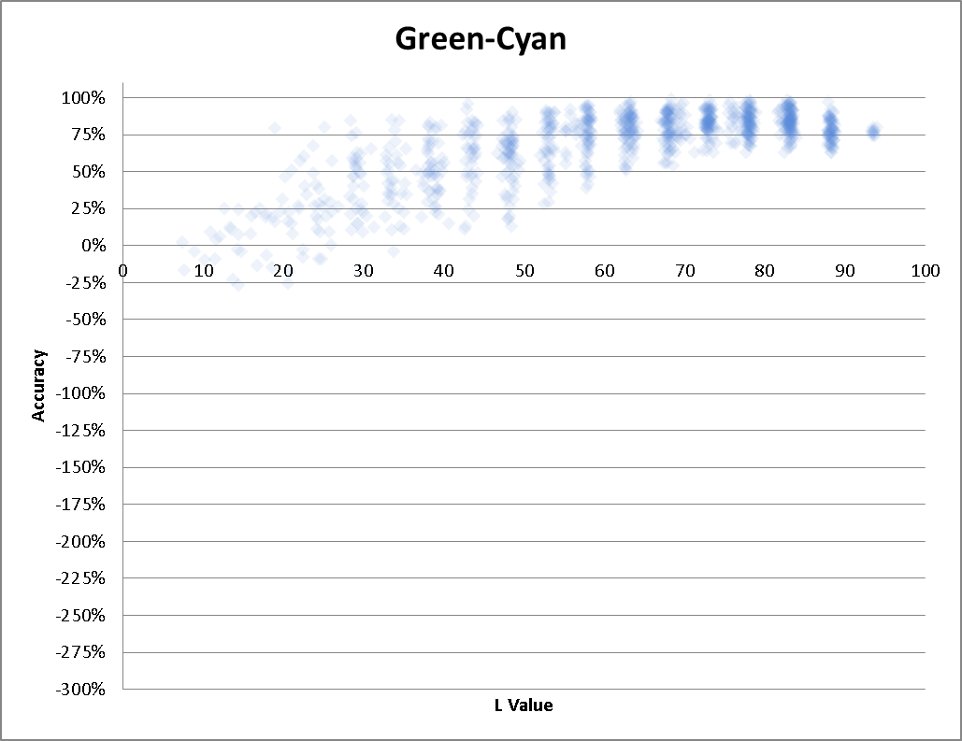
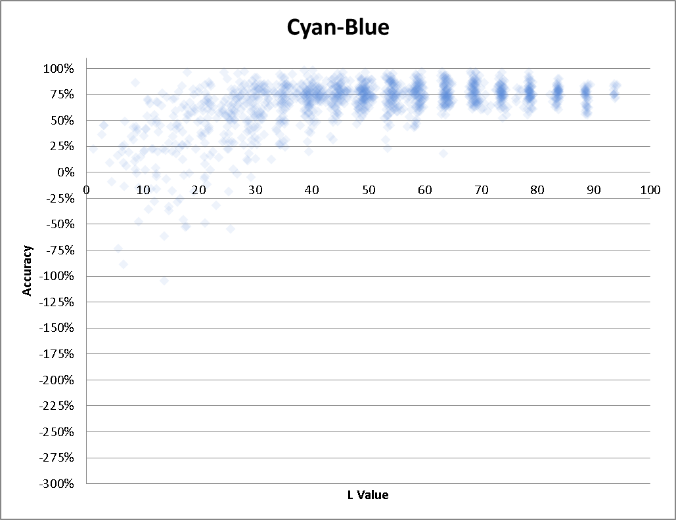

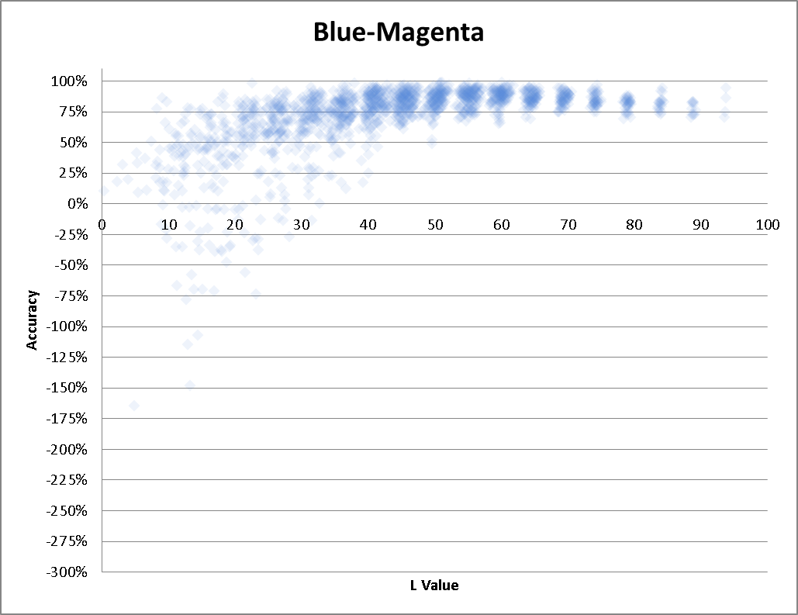
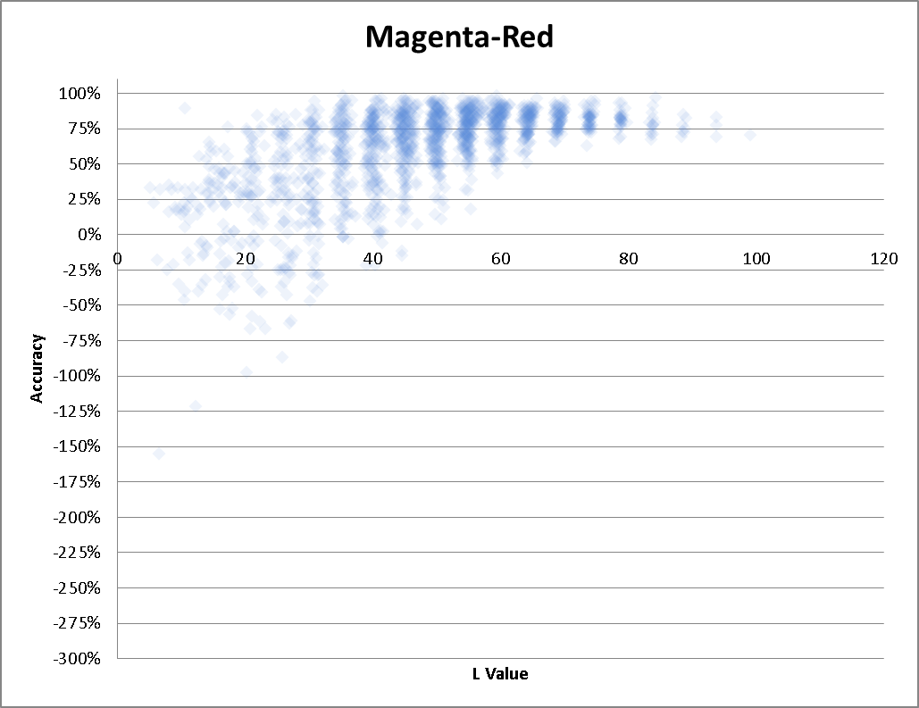

Bg intesity
